Nike Offer
UPC | IMAGE | GENDER | DESCRIPTION | COLOR | 5 | 5.5 | 6 | 6.5 | 7 | 7.5 | 8 | 8.5 | 9 | 9.5 | 10 | 10.5 | 11 | 11.5 | 12 | 13 | QTY | RETAIL | WHOLESALE | RETAIL EXTND
887232745301 | 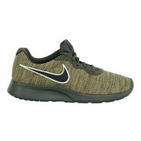 | MENS | Nike Mens Tanjun Premium Running Shoes | Cargo Khaki/Black/Natural Olive |  |  |  |  | 203 | 254 | 225 | 415 | 363 | 347 | 152 | 137 | 72 |  |  |  | 2168 | $ 125.00 | $ 75.00 | $ 271,000.00
888408327451 | 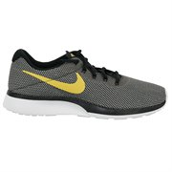 | MENS | Nike Mens Tanjun Premium Running Shoes | Black/Wheat Gold/White |  |  |  | 33 | 46 | 261 | 248 | 295 | 331 | 316 | 274 | 115 | 35 | 20 |  |  | 1974 | $ 100.00 | $ 60.00 | $ 197,400.00
886916064103 | 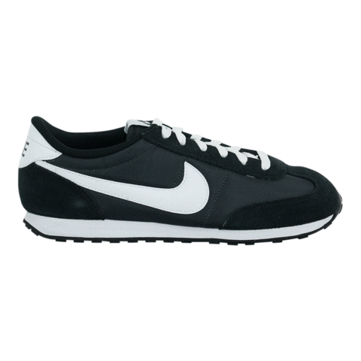 | MENS | Nike Mens Mach Runner Shoes | Anthracite/White/Black |  |  |  | 18 | 88 | 109 | 114 | 177 | 158 | 148 | 80 | 85 | 62 |  |  |  | 1039 | $ 65.00 | $ 39.00 | $ 67,535.00
888408328076 | 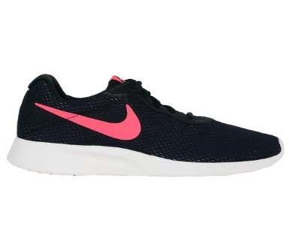 | MENS | Nike Mens Tanjun Premium Running Shoes | Black/Solar Red/Anthracite |  |  |  |  | 66 | 84 | 75 | 156 | 157 | 144 | 68 | 15 | 4 |  |  |  | 769 | $ 100.00 | $ 60.00 | $ 76,900.00
888408327123 | 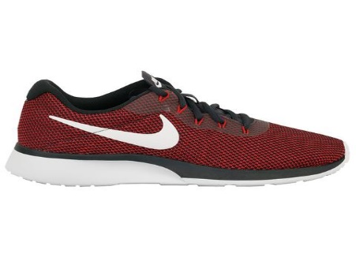 | MENS | Nike Mens Tanjun Premium Running Shoes | Oil Grey/White/University |  |  |  | 6 | 62 | 81 | 41 | 156 | 100 | 103 | 44 | 8 | 5 |  |  |  | 606 | $ 100.00 | $ 60.00 | $ 60,600.00
887232584061 | 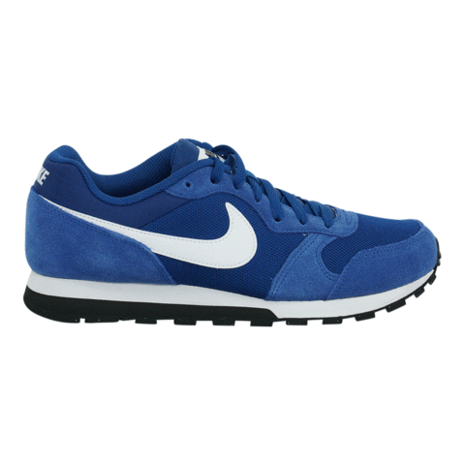 | MENS | Nike Mens MD Runner 2 Shoes | Gym Blue/White/Black |  |  |  | 26 | 22 | 75 | 73 | 72 | 77 | 67 | 73 | 38 | 14 |  |  |  | 537 | $ 75.00 | $ 45.00 | $ 40,275.00
823233716650 | 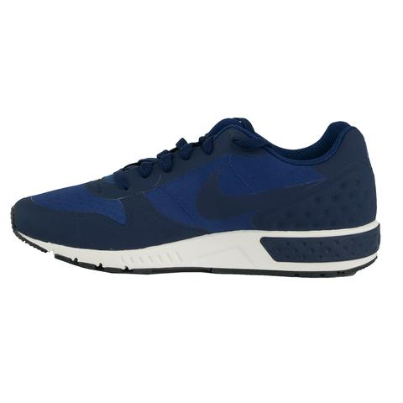 | MENS | Nike Mens Nightgazer LW Shoes | Coastal Blue/Midnight Navy/Sail |  |  |  |  | 55 | 60 | 44 | 105 | 90 | 76 |  |  |  |  |  |  | 430 | $ 85.00 | $ 51.00 | $ 36,550.00
886061006409 | 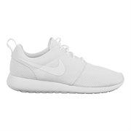 | MENS | Nike Mens Roshe One | White/White |  |  |  |  | 31 | 29 | 18 | 46 | 29 | 29 |  | 4 |  |  |  |  | 186 | $ 75.00 | $ 45.00 | $ 13,950.00
887225458522 | 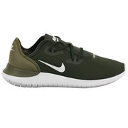 | MENS | Nike Mens Hakata Running Shoes | Sequoia/White/Medium Olive |  |  |  | 29 |  |  |  |  |  |  |  | 69 | 34 |  |  |  | 132 | $ 80.00 | $ 48.00 | $ 10,560.00
685068835711 | 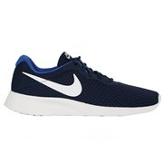 | MENS | Nike Mens Tanjun Running Shoes | Midnight Navy/White/Game Royal |  |  |  | 29 |  |  |  |  |  |  |  | 56 | 9 |  |  |  | 94 | $ 65.00 | $ 39.00 | $ 6,110.00
826216150151 | 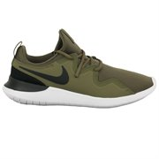 | MENS | Nike Mens Tessen Running Shoes | Medium Olive/Black/White |  |  |  |  |  |  |  |  |  |  |  |  | 21 |  | 49 | 9 | 79 | $ 75.00 | $ 45.00 | $ 5,925.00
826215893585 | 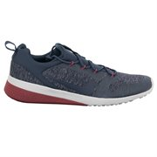 | MENS | Nike Mens CK Racer Shoes | Thunder Blue/Thunder Blue |  |  |  | 70 |  |  |  |  |  |  |  |  |  |  |  |  | 70 | $ 80.00 | $ 48.00 | $ 5,600.00
887225101190 | 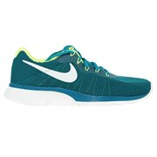 | MENS | Nike Mens Tanjun Racer Running Shoes | Blustery/Sail/Volt |  |  |  | 8 | 9 | 20 | 6 | 5 |  |  |  |  |  |  |  |  | 48 | $ 100.00 | $ 60.00 | $ 4,800.00
887229996747 | 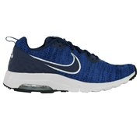 | MENS | Nike Mens Air Max Motion Low Cross Trainer Shoes | Midnight Navy/Vista Grey |  |  |  |  |  | 15 |  |  | 14 |  |  |  |  |  |  |  | 29 | $ 100.00 | $ 60.00 | $ 2,900.00
191887829331 | 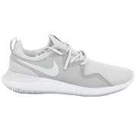 | MENS | Nike Mens Tessen Running Shoes | Vast Grey |  |  |  |  |  |  |  |  |  |  |  | 13 | 16 |  |  |  | 29 | $ 75.00 | $ 45.00 | $ 2,175.00
826215918707 | 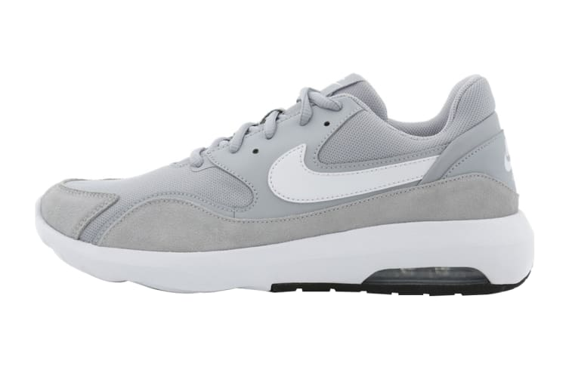 | MENS | Nike Mens Air Max Nostalgic Shoes | Wolf Grey/White/Black |  |  |  |  | 8 | 8 |  | 7 |  |  |  |  |  |  |  |  | 23 | $ 75.00 | $ 45.00 | $ 1,725.00
883153656238 | 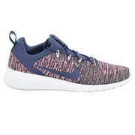 | MENS | Nike Mens CK Racer Shoes | Natural Indigo |  |  |  |  |  |  |  |  |  |  |  | 14 |  |  |  |  | 14 | $ 80.00 | $ 48.00 | $ 1,120.00
884776515148 | 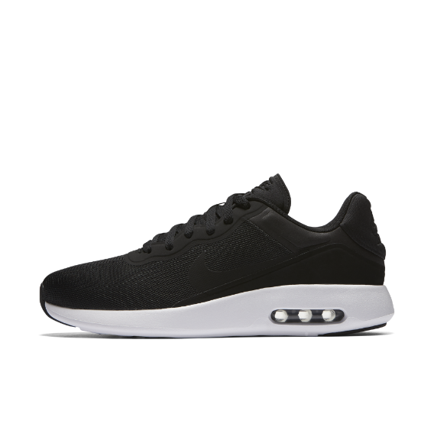 | MENS | Nike Mens Air Max Modern Essential Shoes | Black/White |  |  |  | 1 | 1 | 2 | 2 | 2 | 1 | 1 | 1 |  |  |  |  |  | 11 | $ 65.00 | $ 39.00 | $ 715.00
883153650649 | 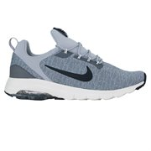 | MENS | Nike Mens CK Racer Shoes | Gunsmoke/Atmosphere |  |  |  |  |  |  |  |  | 8 |  |  |  |  |  |  |  | 8 | $ 80.00 | $ 48.00 | $ 640.00
 |  |  |  |  |  |  |  |  |  |  |  |  |  |  |  |  |  |  | 8,246 |  |  |  |  | $ 806,480.00

 |  |  |  |  |  |  |  |  |  |  |  |  |  |  |  |  |  |  |  |  |  |  |  | $ 97.80

